Product Rules

Supplier Name: Minnesota Life Supplier ID: 161 Product Name Product ID GAIDs | Advantage Elite Select Term - Drop Ticket NGSD product ID: 8836 | Advantage Elite Select Term 10 iPipeline product ID: 8066 NGSD product ID: 9317 | Advantage Elite Select Term 15 iPipeline product ID: 8066 NGSD product ID: 9317 | Advantage Elite Select Term 20 iPipeline product ID: 8066 NGSD product ID: 9317 | Advantage Elite Select Term 30 iPipeline product ID: 8066 NGSD product ID: 9317 | Advantage Elite Select 10 - NY iPipeline product ID: 8067 NGSD product ID: 9317 | Advantage Elite Select 15 - NY iPipeline product ID: 8067 NGSD product ID: 9317 | Advantage Elite Select 20 - NY iPipeline product ID: 8067 NGSD product ID: 9317 | Advantage Elite Select 30 - NY iPipeline product ID: 8067 NGSD product ID: 9317 | Eclipse Protector II IUL iPipeline product ID: 9069 NGSD product ID: 9300 | Eclipse Accumulator IUL iPipeline product ID: 9071 NGSD product ID: 9301 | Premier VUL iPipeline product ID: 6497 NGSD product ID: 9304 | Balanced Growth Accumulator II IUL LifeiPipeline product ID: 9070 NGSD product ID: 9303 | VUL Defender iPipeline product ID: 7580 NGSD product ID: 9306 | SecureCare UL NOTE: Reference the compact states below for this product. They are different than our normal compact states. iPipeline product ID: 8494 NGSD product ID: 9313 | Value Protection Indexed Universal Life iPipeline product ID = 8750 NGSD product ID: 9302
GAID's | All (5328, 5357, 5356, 5242, 1500) | All & 7472 | All & 7472 | All & 7472 | All & 7472 | All (5328, 5357, 5356, 5242, 1500) | All (5328, 5357, 5356, 5242, 1500) | All (5328, 5357, 5356, 5242, 1500) | All (5328, 5357, 5356, 5242, 1500) | All (5328, 5357, 5356, 5242, 1500) | All (5328, 5357, 5356, 5242, 1500) | All (5328, 5357, 5356, 5242, 1500) | 5357, 0036 | All (5328, 5357, 5356, 5242, 1500) | All (5328, 5357, 5356, 5242, 1500) | All (5328, 5357, 5356, 5242, 1500)
Issue Ages | Term 10: 16-75 Term 15: 16-70 Term 20: 16-65 Term 30: 16-50 | 16-75 | 16-70 | 16-65 | 16-50 | 16-75 | 16-70 | 16-65 | 16-50 | 0-75 (age nearest) | 0-75 (age nearest) | 0-75 (based on age nearest) | 0-75 (age nearest) | 0-75 (based on age nearest) | 40-75 (age last birthday, not age nearest) | 0-75 (age nearest) | MINNMNTIGO-5116 MINNMNTIGO-4108 MINNMNTIGO-4118 MINNMNTIGO-4122
Face Amount | Term 10: 16-54 minimum=$100,000 for Insphere minimum=$50,000 for SFN & IDG maximum=$65,000,000 55-75 minimum=$250,001 (for all channels) maximum=$65,000,000 Term 15: 16-54 minimum=$100,000 for Insphere minimum=$50,000 for SFN & IDG maximum=$65,000,000 55-70 minimum= $250,001 maximum=$65,000,000 Term 20: 16-54 minimum=$100,000 for Insphere minimum=$50,000 for SFN and IDG maximum=$65,000,000 55-65 minimum=$250,001 (across the board) maximum=$65,000,000 Term 30: 16-45 minimum=$100,000 for Insphere minimum=$50,000 for SFN & IDG maximum=$65,000,000 46-50 minimum=$250,001 maximum=$65,000,000 | 16-54 minimum=$100,000 for Insphere minimum=$50,000 for SFN & IDG maximum=$65,000,000 55-75 minimum=$250,001 (for all channels) maximum=$65,000,000 | 16-54 minimum=$100,000 for Insphere minimum=$50,000 for SFN & IDG maximum=$65,000,000 55-70 minimum= $250,001 maximum=$65,000,000 | 16-54 minimum=$100,000 for Insphere minimum=$50,000 for SFN and IDG maximum=$65,000,000 55-65 minimum=$250,001 (across the board) maximum=6$5,000,000 | 16-45 minimum=$100,000 for Insphere minimum=$50,000 for SFN & IDG maximum=$65,000,000 46-50 minimum=$250,001 maximum=$65,000,000 | 16-54 minimum=$100,000 for Insphere minimum=$50,000 for SFN & IDG maximum=$65,000,000 55-75 minimum=$250,001 (across the board) maximum=$65,000,000 | 16-54 minimum=$100,000 for Insphere minimum=$50,000 for SFN & IDG maximum=$65,000,000 55-70 minimum=$250,001 maximum=$65,000,000 | 16-54 minimum=$100,000 for Insphere minimum=$50,000 for SFN and IDG maximum=$65,000,000 55-65 minimum=$250,001 (across the board) maximum=$65,000,000 | 16-45 minimum=$100,000 for Insphere minimum=$50,000 for SFN & IDG maximum=$65,000,000 46-50 minimum=$250,001 maximum=$65,000,000 | Minimum: 0-17 years: $50,000 18-75 years: $100,000 Maximum: For all ages: $65,000,000 | Minimum: 0-17 years: $50,000 18-75 years: $100,000 Maximum: For all ages: $65,000,000 | For all ages: Minimum: $100,000 Maximum: $65,000,000 | Ages 0-17: Minimum: $50,000 Maximum: $65,000,000 Ages 18-75: Minimum: $100,000 Maximum: $65,000,000 | For all ages: Minimum: $100,000 Maximum: $65,000,000 | Minimum = $50,000 Maximum Face = function of acceleration of benefits duration (500K for 2 year acceleration and 750K for 3 year acceleration) | Minimum = $100,000 Maximum: $5,000,000 $65,000,000 | MINNMNTIGO-5116 MINNMNTIGO-4108 MINNMNTIGO-4118
WriteFit Express | Term 10: SFN & IDG Ages 16-54=$50,000-$250,00 Insphere Ages 16-54=$100,000-$250,000 Term 15: Ages 16-54=$50,000-$250,000 Term 20: SFN & IDG Ages 16-54=$50,000-$250,000 Insphere Ages 16-54=$100,000-$250,000 Term 30: Ages 16-45=$50,000-$250,000 | SFN & IDG Ages 16-54=$50,000-$250,00 Insphere Ages 16-54=$100,000-$250,000 | Ages 16-54=$50,000-$250,000 | SFN & IDG Ages 16-54=$50,000-$250,000 Insphere Ages 16-54=$100,000-$250,000 | Ages 16-45=$50,000-$250,000 | SFN & IDG Ages 16-54=$50,000-$250,00 Insphere Ages 16-54=$50,000-$250,000 | Ages 16-54=$50,000-$250,000 | SFN & IDG Ages 16-54=$50,000-$250,000 Insphere Ages 16-55=$50,000-$250,000 | Ages 16-45=$50,000-$250,000 | Ages 0-17: $50,000 - $250,000 Ages 18-54: $100,000 - $250,000 (includes the total of base face amount and Term Insurance Agreement amount) | Ages 0-17: $50,000 - $250,000 Ages 18-54: $100,000 - $250,000 (includes the total of base face amount and Term Insurance Agreement amount) | n/a | Ages 0-17: $50,000 - $250,000 Ages 18-54: $100,000 - $250,000 (includes the total of base face amount and Term Insurance Agreement amount) | n/a | n/a | Ages 0-54 = $100,000 - $250,000 | MINNMNTIGO-1134
Write Fit | Term 10: Age 18-50 Face amount = $3,000,000 or less Age 51-60 Face amount = $1,000,000 or less Term 15: Age 18-50 Face amount = $3,000,000 or less Age 51-60 Face amount = $1,000,000 or less Term 20: Age 18-50 Face amount = $3,000,000 or less Age 51-60 Face amount = $1,000,000 or less Term 30: Age 18-50 Face amount = $3,000,000 or less Age 51-60 Face amount = $1,000,000 or less | Age 18-50 Face amount = $3,000,000 or less Age 51-60 Face amount = $1,000,000 or less | Age 18-50 Face amount = $3,000,000 or less Age 51-60 Face amount = $1,000,000 or less | Age 18-50 Face amount = $3,000,000 or less Age 51-60 Face amount = $1,000,000 or less | Age 18-50 Face amount = $3,000,000 or less Age 51-60 Face amount = $1,000,000 or less | Age 18-50 Face amount = $3,000,000 or less Age 51-60 Face amount = $1,000,000 or less | Age 18-50 Face amount = $3,000,000 or less Age 51-60 Face amount = $1,000,000 or less | Age 18-50 Face amount = $3,000,000 or less Age 51-60 Face amount = $1,000,000 or less | Age 18-50 Face amount = $3,000,000 or less Age 51-60 Face amount = $1,000,000 or less | Ages 18-50: $250,001 - $3,000,000 Ages 51-60: $250,001 - $1,000,000 | Ages 18-50: $250,001 - $3,000,000 Ages 51-60: $250,001 - $1,000,000 | Age 18-50 Face amount = $3,000,000 or less Age 51-60 Face amount = $1,000,000 or less | Ages 18-50: $250,001 - $3,000,000 Ages 51-60: $250,001 - $1,000,000 | Age 18-50 Face amount = $3,000,000 or less Age 51-60 Face amount = $1,000,000 or less | n/a | Age 18-50 Face amount = $3,000,000 or less Age 51-60 Face amount = $1,000,000 or less | MINNMNTIGO-4108
Traditional (if WriteFit fails or WriteFit is not elected or if Age is outside of WriteFit guidelines) |  |  |  |  |  |  |  |  |  | Ages 0-17: $250,001 Ages 18-54: $250,001 Ages 55-80: $100,000 | Ages 0-17: $250,001 Ages 18-54: $250,001 Ages 55-80: $100,000 | Ages 0-17: $250,001 Ages 18-54: $250,001 Ages 55-80: $100,000 | Ages 0-17: $250,001 Ages 18-54: $250,001 Ages 55-80: $100,000 | Ages 0-17: $250,001 Ages 18-54: $250,001 Ages 55-80: $100,000 |  | Ages 0-17: $250,001 Ages 18-54: $250,001 Ages 55-80: $100,000
Death Benefit Test | NA | NA | NA | NA | NA | N/A | N/A | N/A | N/A | Guideline Premium Test (GPT) Cash Value Accumulation Test (CVAT) | Guideline Premium Test (GPT) Cash Value Accumulation Test (CVAT) | Guideline Premium Test (GPT) Cash Value Accumulation Test (CVAT) | Guideline Premium Test (GPT) Cash Value Accumulation Test (CVAT) | GPT (Guideline Premium) CVAT (Cash Value Accumulation) | CVAT (Cash Value Accumulation) Do not display but include in the acord 103. | GPT (Guideline Premium) CVAT (Cash Value Accumulation)
Death Benefit Options | NA | NA | NA | NA | NA | N/A | N/A | N/A | N/A | Level | Level Increasing | Level Increasing | Level Increasing | Level Increasing | Level Do not display but include in the acord 103. | Level Decreasing Increasing
 |  |  |  |  |  |  |  |  |  |  |  |  |  |  |  | MINNMNTIGO-5268

Compact States:
All ICC/compact states: AK, AL, AR, AZ, CO, CT, GA, HI, IA, ID, IL, IN, KS, KY, LA, MA, MD, ME, MI, MN, MO, MS, MT, NC, NE, NH, NJ, NM, NV, OH, OK, OR, PA, RI, SC, TN, TX, UT, VA, VT, WA, WI, WV, WY
NAIC states: AL, AR, AZ, CO, HI, IA, KY, LA, MD, ME, MS, MT, NC, NE, NH, NJ, NM, OH, OR, RI, SC, SD, TX, UT, VA, VT, VA, WI or WV.

ACORD 121 details
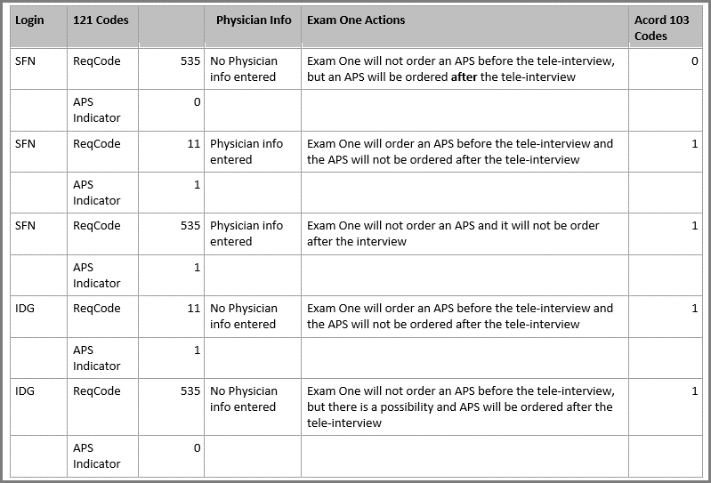
 | ExamOne | APPS Selected | Exam Completed selected | Firm/Agent Order Selected (not the same as Firm Order APS) | eParamed
WriteFit Express 121 for tele-interview only is sent to ExamOne | Tele-Interview screen only ReqCode = always 535 No Product code sent Requirement Account Number = UOOF NY Requirement Account Number = APRR | Tele-interview order: ReqCode = always 535 Requirement Account Number = 2438 NY Requirement Account Number = 2439 N/A | N/A | N/A | N/A
WriteFit 121 to ExamOne only, all other orders will be manually ordered (if needed) by the home office. | ReqCode tc: 11 = Physician Informaiton 535 = No Physician Informaiton Requirement Account Number = TOOX Product Number = TUEX indicates an exam is needed however the exam in held for 3 business days. If the home office doesn't cancel, E1 will complete the order. Accelerated Indicator: Is the applicant eligible for accelerated underwriting? 1 = true (only sent when true) Tele-Interveiw Schedule Indicator: RequestedDate = date the order received at ExamOne in yyyy/mm/dd format RequestedScheduleDate = Scheduled date for tele-interview RequestedScheduleTimeStart = Scheduled time for tele-interview APSRequirementIndicator: Has APS order already been placed? 0 = false; 1 = true | Tele-interview order: ReqCode = always 535 Requirement Account Number = 2438 NY Requirement Account Number = 2439 121 to ExamOne: ReqCode tc: 11 = Physician Informaiton 535 = No Physician Informaiton Requirement Account Number = TOOX Product Number = TU 121 is NOT sent to the vendor APPS. The Home Office will order the exam with APPS, if needed. | 121 to ExamOne: ReqCode tc: 11 = Physician Informaiton 535 = No Physician Informaiton Requirement Account Number = TOOX Product Number = TU **************************************************************** N/A The question: Has an exam been completed in the last 9 months? is not asked for WriteFit cases. | 121 to ExamOne: ReqCode tc: 11 = Physician Informaiton 535 = No Physician Informaiton Requirement Account Number = TOOX Product Number = TU **************************************************************** The Home Office will notify the Firm/Aget if an exam is needed., they will be responsible for submitting the exam to MN Life. | N/A eParamed is not an option for WriteFit
Traditional | ReqCode tc: 11 = Physician Informaiton 535 = No Physician Informaiton Requirement Account Number = TOOX Product Number = TUEX Tele-Interview Schedule Indicator: RequestedDate = date the order received at ExamOne in yyyy/mm/dd format RequestedScheduleDate = Scheduled date for tele-interview RequestedScheduleTimeStart = Scheduled time for tele-interview APSRequirementIndicator: Has APS order already been placed? 0 = false; 1 = true | Tele-interview order: ReqCode = always 535 Requirement Account Number = 2438 NY Requirement Account Number = 2439 Order for = Exam ReqCode = always 535 state <> NY use RequirementAcctnum=2401 state = NY use RequirementAcctnum=2400 121 to ExamOne: ReqCode tc: 11 = Physician Informaiton 535 = No Physician Informaiton Requirement Account Number = TOOX Product Number = TU *********************************************************************************** 121 to Portamedic/APPS: ReqCode tc=535 Release PartyOrgCode=PPLN RequirementAcctnum=2401 | 121 to ExamOne: ReqCode tc: 11 = Physician Informaiton 535 = No Physician Informaiton Requirement Account Number = TOOX Product Number = TU ******************************************************************************** 121 is not sent for the exam - firm/agent must submit a copy of the exam to MN Life | 121 to ExamOne: ReqCode tc: 11 = Physician Informaiton 535 = No Physician Informaiton Requirement Account Number = TOOX Product Number = TU ******************************************************************************** 121 is not sent for the exam - firm/agent must submit a copy of the exam to MN Life | 121 is not sent to ExamOne ******************************************************************************** 121 to Portamedic/APPS: OI: how does APPS distinguish beteen eParamed and regular order? ReqCode tc=535 Release PartyOrgCode=PPLN RequirementAcctnum=2401
FIRM ORDER APS - SFN/0036 only (indicator only sent to ExamOne) | APSRequirementIndicator: Has APS order already been placed? 0 = false; 1 = true | APSRequirementIndicator: Has APS order already been placed? 0 = false; 1 = true | APSRequirementIndicator: Has APS order already been placed? 0 = false; 1 = true | APSRequirementIndicator: Has APS order already been placed? 0 = false; 1 = true | n/a
Physician Information (entered information is only sent to ExamOne) | ReqCode tc: 11 = Physician Informaiton 535 = No Physician Informaiton Code from FIRM ORDER APS REUSED: 0 = no physician information 1= physician informaiton entered Added physician informaion is sent to ExamOne, along with the HIPPA Party_Physician name (not split for first and last) address (always tc 2 for business), city, state, zip phone (always tc 2 for business) | No impact to APPS if physician information is entered. | To ExamOne: Physician Informaiton added ReqCode = 11 TOOX is sent to indicate a tele-interview should only be done. Added physician informaion is sent to ExamOne, along with the HIPPA | To ExamOne: Physician Informaiton added ReqCode = 11 TOOX is sent to indicate a tele-interview should only be done. Added physician informaion is sent to ExamOne, along with the HIPPA | N/A
 | MINNMNTIGO-5324 | MINNMNTIGO-5324 | MINNMNTIGO-5324 | MINNMNTIGO-5324

TrackingID is required for ExamOne 121

Dynamic Application Indicator Form Instance Version tc '2' = Dynamic Application <FormInstance id="FormInstance_2"> <FormInstanceVersion>2</FormInstanceVersion> </FormInstance> tc '1' = <> Dynamic Application <FormInstance id="FormInstance_1"> <FormInstanceVersion>1</FormInstanceVersion> </FormInstance> Indicator will be included in all 121's, no matter the vendor selection. If state = NY, <FormInstanceVersion> is not be sent | MINNMNTIGO-1130

 |  | <UserAuthRequest> - <UserLoginName>SecurianipB2B</UserLoginName> <UserPswd> <CryptType>NONE</CryptType> <Pswd>Mq3xpd3q!$</Pswd> - PROD <Pswd>Th55gxrS$!</Pswd> - All Other Env </UserPswd> </UserAuthRequest> <Party id="PartyID_PA_1"> <PartyTypeCode tc="1">Person</PartyTypeCode> <FullName></FullName> <Person> <FirstName></ FirstName > <MiddleName></ MiddleName > <LastName></ LastName > </Person> <Producer> <CarrierAppointment> <CompanyProducerID><xsl:value-of select="//Data[@Name='AGENT_RepCode']"/> </CompanyProducerID> <CarrierCode>93742</CarrierCode> </CarrierAppointment> </Producer> </Party> <Party id="PARTYID_IN_1"> <PartyTypeCode tc="1">Person</PartyTypeCode> <GovtID><xsl:value-of select="//Data[@Name='PISSNTIN']"/></GovtID> {morning} <BestTimeToCallFrom>08:00:00</BestTimeToCallFrom> <BestTimeToCallTo>12:00:00</BestTimeToCallTo> {afternoon} <BestTimeToCallFrom>12:00:00</BestTimeToCallFrom> <BestTimeToCallTo>17:00:00</BestTimeToCallTo> {evening} <BestTimeToCallFrom>17:00:00</BestTimeToCallFrom> <BestTimeToCallTo>20:00:00</BestTimeToCallTo> {OTHEWISE – shouldn’t ever get hit} <BestTimeToCallFrom>08:00:00</BestTimeToCallFrom> <BestTimeToCallTo>20:00:00</BestTimeToCallT
 |  | MINNMNTIGO-5006

UW Screen Flow
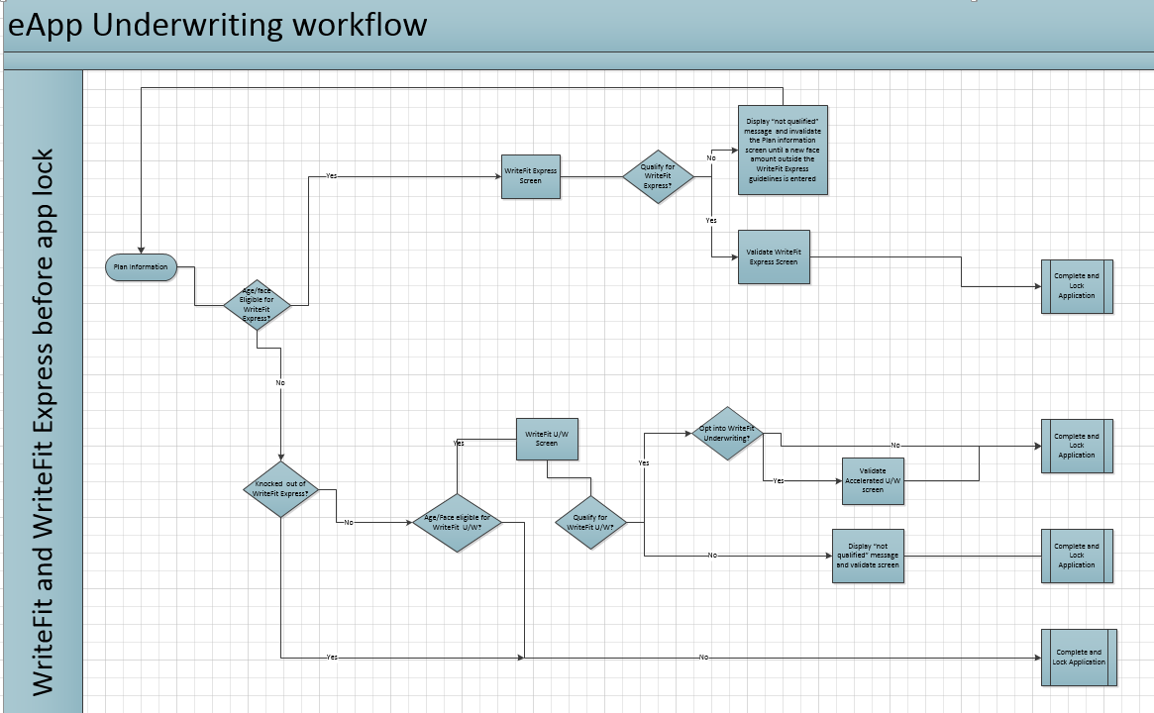
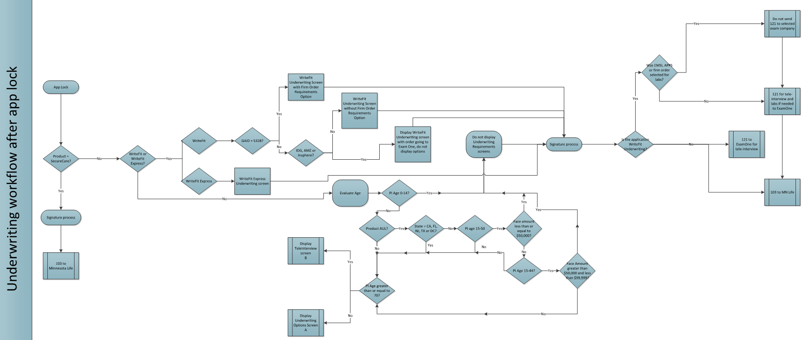
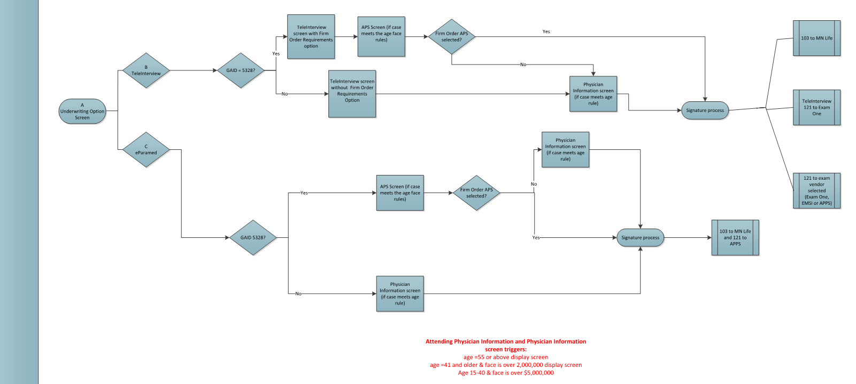
01.15.18 | MINNMNTIGO-1135 MINNMNTIGO-1437 | Tele-interview screen for WriteFit Express Underwriting (in the 2nd flow below) Move when 121 is sent to APPS (in the 3rd flow below)
12.21.17 | MINNMNTIGO-1453

Clickwrap Emails
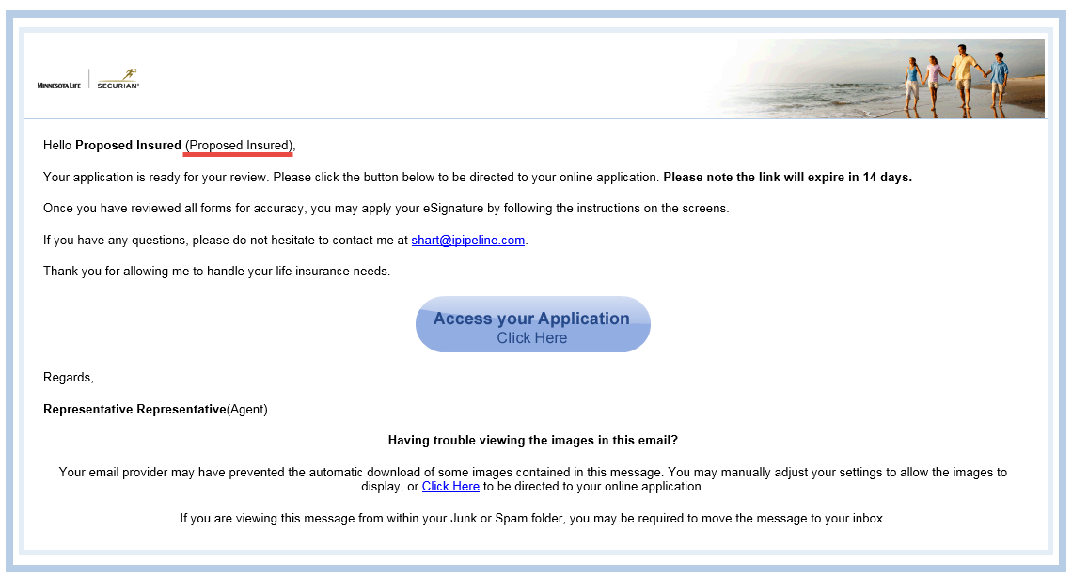
JIRA | Element/Question | Format | Max Length | Required? | Values | Rules |  | Notes
 | 1. Notify Party Notification (Proposed Insured, Owner, Payor)
 | <Client> logo | Heading |  |  |  | Upper left-hand corner
 | Agent Name <donotreply@ipipeline.com> | From
MINNMNTIGO-1507 | Action Required on your Securian Financial Application - DO NOT REPLY | Subject
 | Hello (Proposed Insured), | Label
MINNMNTIGO-1507 | Your life insurance application is ready to be reviewed and electronically signed. Click the button below to proceed. Please note, your access will expire in 14 days. If you have any questions, please do not hesitate to contact me at (agent email). Thank you for entrusting me with your life insurance needs. |  |  |  |  | (agents email)
 | Thank you for allowing me to handle your life insurance needs.
 | Personal Message: |  |  |  |  | Will display if a Personal Message is written by the agent on the eSignature screens after Validate and Lock.
 | Access your Application Click Here | Button |  |  |  | When selected, directs user to iGO login screen (see E-Signature Screens tab).
 | Regards, <Agent Name> (Agent) | Label |  |  |  | <Agent Name> is prefilled with the name entered in iGO.
 | Having trouble viewing the images in this email? |  |  |  |  | iPipeline support verbiage
 | Your email provider may have prevented the automatic download of some images contained in this message. You may manually adjust your settings to allow the images to display, or Click Here to be directed to your online application. |  |  |  |  | iPipeline support verbiage When Click Here is selected, directs user to iGO login screen (see E-Signature Screens tab).
 | If you are viewing this message from within your Junk or Spam folder, you may be required to move the message to your inbox. |  |  |  |  | iPipeline support verbiage

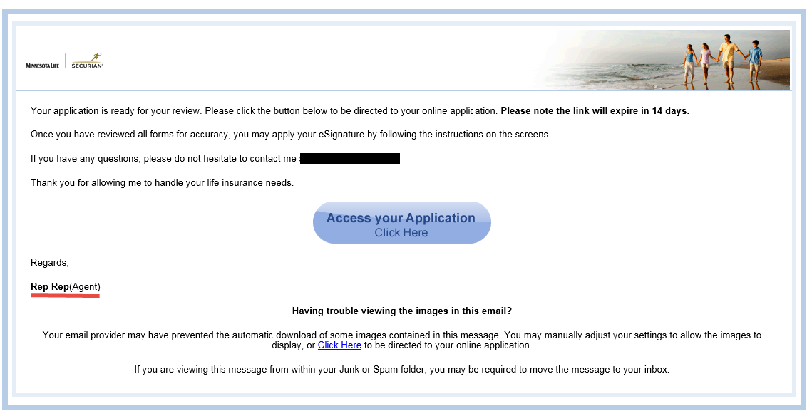
MINNMNTIGO-2150 | 2. Notify Party Notification (Field Principal Agent) |  |  |  |  | Do NOT trigger if GAID = APPS/7472 ("isDropTicket" = X)
 | <Client> logo | Heading
 | Agent Name <donotreply@ipipeline.com> | From
MINNMNTIGO-1507 | Complete a Securian Financial Life Insurance Application | Subject
MINNMNTIGO-1507 | An application for (owner name) is ready for field principal review and electronic signature. Click the button below to proceed. Please note, your access will expire in 14 days. If you have, any questions please click here. | Subject |  |  |  | User is directed to URL when the click here: http://ipipelinetrain.wpengine.com/?page_id=104
 | Personal Message:
 | Access your Application Click Here | Button |  |  |  | When selected, directs user to iGO login screen (see E-Signature Screens tab).
 | Regards, <Agent Name> (Agent) | Label |  |  |  | <Agent Name> is prefilled with the name entered in iGO.
MINNMNTIGO-1507 | Thank you for entrusting Securian Financial with your client’s life insurance needs.
 | Having trouble viewing the images in this email?
 | Your email provider may have prevented the automatic download of some images contained in this message. You may manually adjust your settings to allow the images to display, or Click Here to be directed to your online application. |  |  |  |  | When Click Here is selected, directs user to iGO login screen (see E-Signature Screens tab).
 | If you are viewing this message from within your Junk or Spam folder, you may be required to move the message to your inbox.

MINNMNTIGO-2150 MINNMNTIGO-3130 | 3. Sent to Producer when a signing party has completed their eSig process, but further eSignatures are required. |  |  |  |  | No longer triggering based on MINNMNTIGO-3130

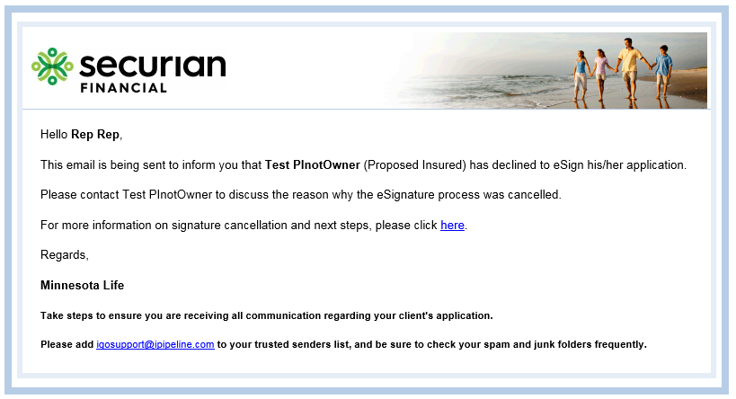
 | 4. Sent to Producer when any party declines the esig process
 | <Client> logo | Heading |  |  |  | Upper left-hand corner
 | Hello (Agent Name), | Label
MINNMNTIGO-2150 | This email is being sent to inform you that (Proposed Insured, Owner, or Field Principal Agent name) has declined to eSign his/her application. |  |  |  |  | If GAID = APPS/7472 ("isDropTicket" = X), "Field Principal Agent name" will NOT display
MINNMNTIGO-2150 | Please contact (Proposed Insured, Owner, or Field Principal Agent name) to discuss the reason why the eSignature process was cancelled.
 | For more information on signature cancellation and next steps, please click here. |  |  |  |  | User is directed to URL when the click here: http://ipipelinetrain.wpengine.com/?page_id=104
 | Regards,
MINNMNTIGO-1507 | Securian Financial
MINNMNTIGO-1507 | Thank you for entrusting Securian Financial with your client’s life insurance needs.
 | Take steps to ensure you are receiving all communication regarding your client's application |  |  |  |  | iGO-specific language
 | Please add igosupport@ipipeline.com to your trusted senders list, and be sure to check your spam and junk folders frequently.

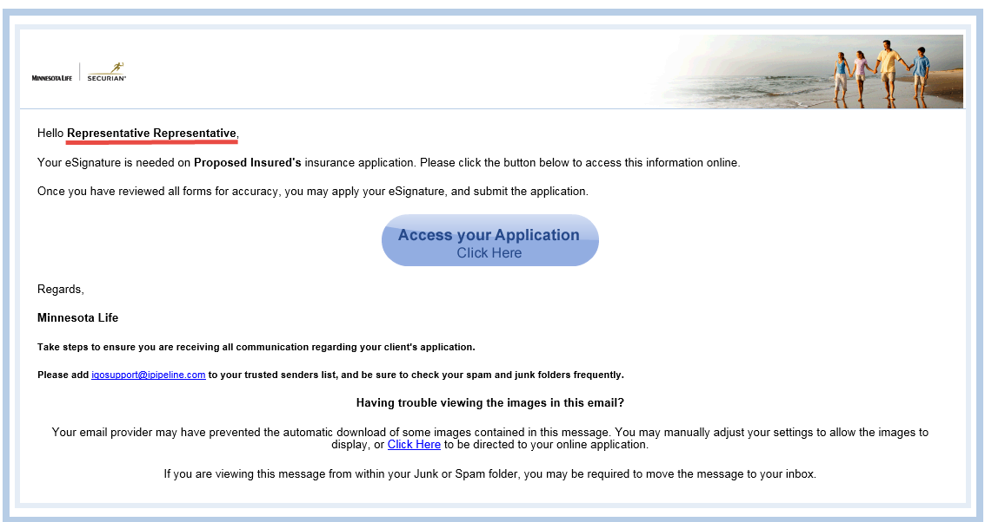
MINNMNTIGO-2150 | 5. Sent to Producer when all parties have completed the eSign process |  |  |  |  | Do NOT trigger if GAID = APPS/7472 ("isDropTicket" = X)
 | <Client> logo | Heading
 | Hello (Agent Name), | Label
MINNMNTIGO-1507 | Your eSignature is needed on (Proposed Insured name)'s insurance application. Click the button below to eSign and submit the application. Please note your access will expire in 14 days.

 | Regards,
MINNMNTIGO-1507 | Securian Financial
MINNMNTIGO-1507 | Thank you for entrusting Securian Financial with your client’s life insurance needs.
 | Access your Application Click Here | Button |  |  |  | When selected, directs user to iGO login screen (see E-Signature Screens tab).
 | Take steps to ensure you are receiving all communication regarding your client's application |  |  |  |  | iGO-specific language
 | Please add igosupport@ipipeline.com to your trusted senders list, and be sure to check your spam and junk folders frequently.
 | Having trouble viewing the images in this email?
 | Your email provider may have prevented the automatic download of some images contained in this message. You may manually adjust your settings to allow the images to display, or Click Here to be directed to your online application. |  |  |  |  | When Click Here is selected, directs user to iGO login screen (see E-Signature Screens tab). iGO-specific language
 | If you are viewing this message from within your Junk or Spam folder, you may be required to move the message to your inbox. |  |  |  |  | iGO-specific language
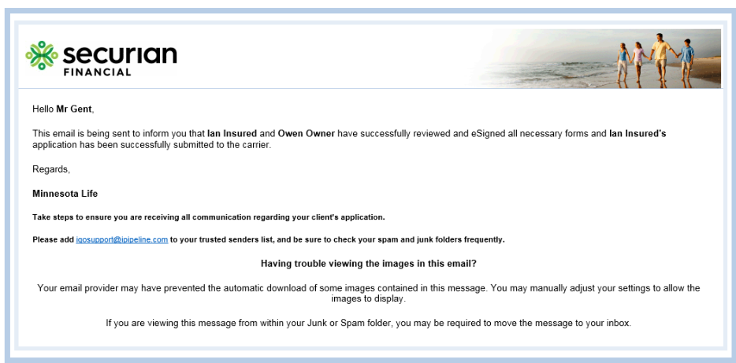
MINNMNTIGO-2150 | 5. Sent to Producer when all parties have completed the eSign process |  |  |  |  | Trigger if GAID = APPS/7472 ("isDropTicket" = X) AND all parties have completed the eSign process
MINNMNTIGO-2150 | <Client> logo | Heading
MINNMNTIGO-2150 | Hello (Agent Name), | Label
MINNMNTIGO-2150 | This email is being sent to inform you that (Proposed Insured name) has successfully reviewed and eSigned all necessary forms and (Proposed Insured name's) application has been successfully submitted to the carrier. | Text |  |  |  | Displays if only PI is signing party
MINNMNTIGO-2150 | This email is being sent to inform you that (Proposed Insured name) and (Owner name) have successfully reviewed and eSigned all necessary forms and (Proposed Insured name's) application has been successfully submitted to the carrier. |  |  |  |  | Displays if both PI and Owner are signing parties

MINNMNTIGO-2150 | Regards,
MINNMNTIGO-2150 MINNMNTIGO-1507 | Securian Financial
MINNMNTIGO-2150 | Take steps to ensure you are receiving all communication regarding your client's application |  |  |  |  | iGO-specific language
MINNMNTIGO-2150 | Please add igosupport@ipipeline.com to your trusted senders list, and be sure to check your spam and junk folders frequently.
MINNMNTIGO-2150 | Having trouble viewing the images in this email?
MINNMNTIGO-2150 | Your email provider may have prevented the automatic download of some images contained in this message. You may manually adjust your settings to allow the images to display.
MINNMNTIGO-2150 | If you are viewing this message from within your Junk or Spam folder, you may be required to move the message to your inbox.

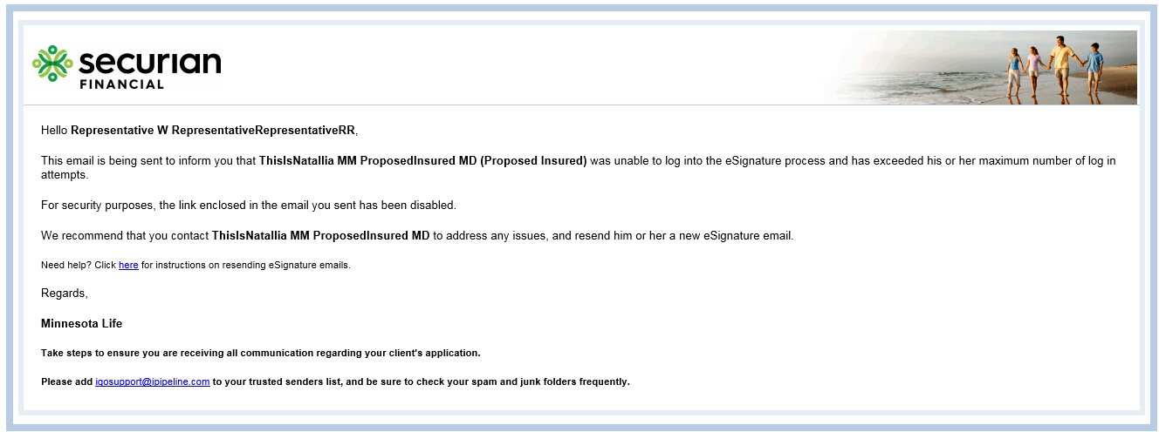
 | 6. Sent to Producer Login Attempts Exceeded
 | <Client> logo | Heading |  |  |  | Upper left-hand corner
 | Hello Agent Name, | Label

MINNMNTIGO-2150 MINNMNTIGO-1507 | We wanted to inform you that eSignature Test (Proposed Insured, Owner, Field Principal Agent name) was unable to log into the eSignature process and has exceeded his or her maximum number of log in attempts |  |  |  |  | If GAID = APPS/7472 ("isDropTicket" = X), "Field Principal Agent name" will NOT display
MINNMNTIGO-1507 MINNMNTIGO-2150 | For security purposes, the link enclosed in the email you sent has been disabled. |  |  |  |  | Do NOT Display if GAID = APPS/7472 ("isDropTicket" = X)
MINNMNTIGO-1507 MINNMNTIGO-2150 | For security purposes, the link to the online application has been disabled. |  |  |  |  | Display if GAID = APPS/7472 ("isDropTicket" = X)
MINNMNTIGO-1507 MINNMNTIGO-2150 | We recommend that you contact eSignature Test to address any issue and resend him or her a new eSignature email. |  |  |  |  | Do NOT Display if GAID = APPS/7472 ("isDropTicket" = X) eSignature Test = Signing Party
MINNMNTIGO-2150 MINNMNTIGO-1507 | We recommend that you contact eSignature Test to address any issue and contact igosupport@ipipeline.com to resend him or her a new eSignature email. |  |  |  |  | Display if GAID = APPS/7472 ("isDropTicket" = X) eSignature Test = Signing Party
MINNMNTIGO-1507 MINNMNTIGO-2150 | Need help? Click here for instructions on resending eSignature emails. |  |  |  |  | Do NOT Display if GAID = APPS/7472 ("isDropTicket" = X) User is directed to URL when they click here: http://ipipelinetrain.wpengine.com/?page_id=104
 | Regards,
MINNMNTIGO-1507 | Securian Financial
MINNMNTIGO-1507 | Thank you for entrusting Securian Financial with your client's life insurance needs.
 | Take steps to ensure you are receiving all communication regarding your client's application |  |  |  |  | iGO-specific language
 | Please add igosupport@ipipeline.com to your trusted senders list, and be sure to check your spam and junk folders frequently.
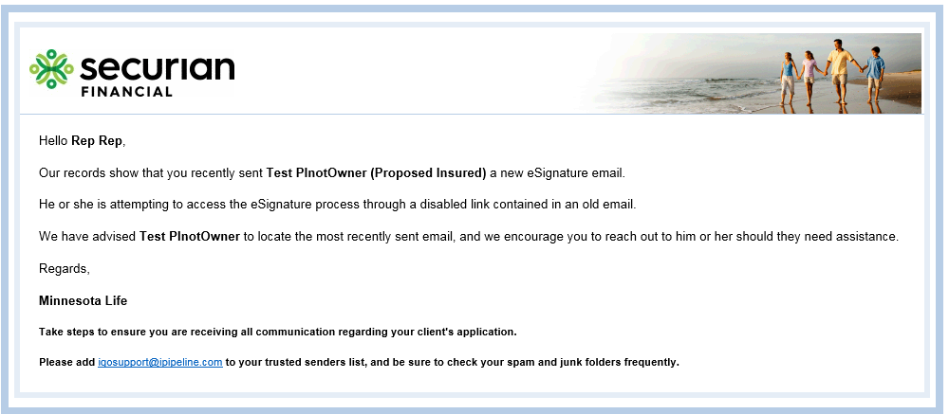
 | 7. Sent to Producer when PI/Owner attempts to access old eSignature email and Agent has since sent a new eSignature email. |  |  |  |  | Email is sent when more than one eSignature email is sent to the PI/Owner/Principal Field Agent to sign and they access the older email
 | <Client> logo | Heading |  |  |  | Upper left-hand corner
 | Hello Agent Name, | Label
MINNMNTIGO-2150 | Our records show that you recently sent (Proposed Insured/Owner/Field Principal Agent) a new eSignature email. |  |  |  |  | Do NOT Display if GAID = APPS/7472 ("isDropTicket" = X)
MINNMNTIGO-2150 | Our records show that (Proposed Insured/Owner) was recently sent a new eSignature email. |  |  |  |  | Display if GAID = APPS/7472 ("isDropTicket" = X)
 | He or she is attempting to access the eSignature process through a disabled link contained in an old email.
MINNMNTIGO-1507 | We have advised (Proposed Insured/Owner/Field Principal Agent) to locate the most recently sent email, and we encourage you to reach out to him or her them should they need assistance. |  |  |  |  | If GAID = APPS/7472 ("isDropTicket" = X), "Field Principal Agent name" will NOT display
 | Regards,
MINNMNTIGO-1507 | Securian Financial
MINNMNTIGO-1507 | Thank you for entrusting Securian Financial with your client's life insurance needs.
 | Take steps to ensure you are receiving all communication regarding your client's application |  |  |  |  | iGO-specific language
 | Please add igosupport@ipipeline.com to your trusted senders list, and be sure to check your spam and junk folders frequently.
 | 8. Notify Producer Login Attempts Signature Complete |  |  |  |  | Agent receives this email if PI/Owner/Principal Field Agent attempts to access an eSignature link that they have already completed.
 | <Client> logo
 | Hello Agent Name,
MINNMNTIGO-1507 | (Proposed Insured/Owner/Field Principal Agent) is attempting to access the application. (Proposed Insured/Owner/Field Principal Agent)'s eSignature is complete. No further action is needed for (Proposed Insured/Owner/Field Principal Agent)'s eSignature at this time.
 | Regards
MINNMNTIGO-1507 | Securian Financial |  |  |  |  |  | Use GAID 0036 to test
MINNMNTIGO-1507 | Thank you for entrusting Securian Financial with your client's life insurance needs.
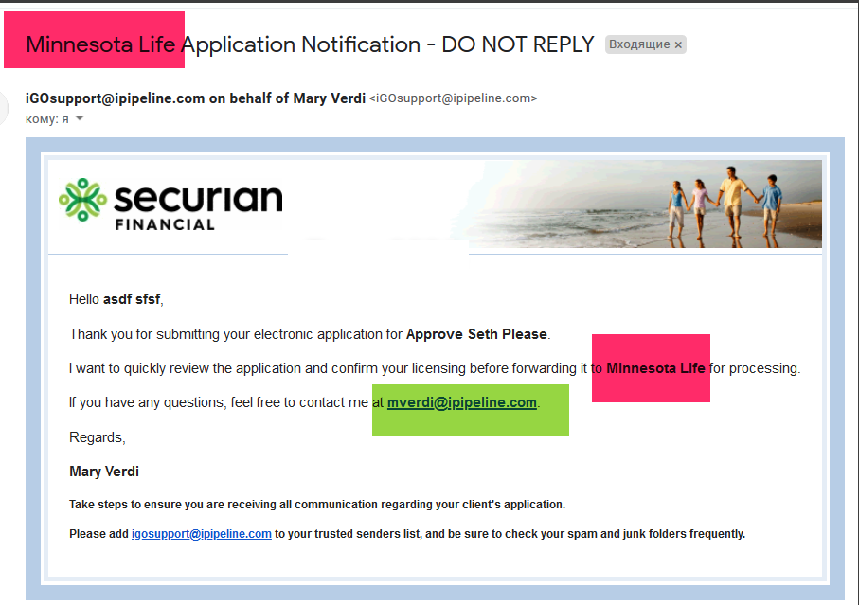
 | Take steps to ensure you are receiving all communication regarding your client's application |  |  |  |  | iGO-specific language
 | Please add igosupport@ipipeline.com to your trusted senders list, and be sure to check your spam and junk folders frequently.
 | Email to Representative when case is submitted through GAID that requires Case Manager Approval
MINNMNTIGO-1507 | Securian Financial Application Notification - DO NOT REPLY | Subject
 | iGOsupport@ipipeline.com on behalf of (Case Manager Name) <iGOsupport@ipipeline.com> | From
 | <Client> logo | Heading
 | Hello Agent Name,
 | Thank you for submitting your electronic application for (Proposed Insured).
MINNMNTIGO-1507 | I want to quickly review the application and confirm your licensing before forwarding it to Securian Financial for processing.
 | If you have any questions, feel free to contact me at (Case Manager email).
 | Regards,
 | (Case Manager Name)
 | Take steps to ensure you are receiving all communication regarding your client's application
 | Please add igosupport@ipipeline.com to your trusted senders list, and be sure to check your spam and junk folders frequently.
 | 9. Email to Representative when the case manager declines to submit the application |  |  |  |  | GAID 0036
MINNMNTIGO-1507 | Securian Financial Application Notification - DO NOT REPLY | Subject
 | iGOsupport@ipipeline.com on behalf of (Case Manager Name) <iGOsupport@ipipeline.com> | From
 | <Client> logo | Heading
 | Hello (Agent Name),
MINNMNTIGO-1507 | I have reviewed your Securian Financial eApplication for (PI). I will be contacting you shortly to discuss a couple of items before submitting this application for processing. In the meantime, if you have any questions, please contact me at: |  |  |  |  | contact information is autopopulated based on case manager email.
 | Items requiring attention:
 | Access your Application Click Here | Button |  |  |  | center
 | Regards, |  |  |  |  |  | Use GAID 0036 to test | Why does this email trigger when Case Manager declines application?
MINNMNTIGO-1507 | (Case Manager)
 | Take steps to ensure you are receiving all communication regarding your client's application |  |  |  |  | iGO-specific language
 | Please add igosupport@ipipeline.com to your trusted senders list, and be sure to check your spam and junk folders frequently.
 | 10. Notify Representative after Case Manager approves application
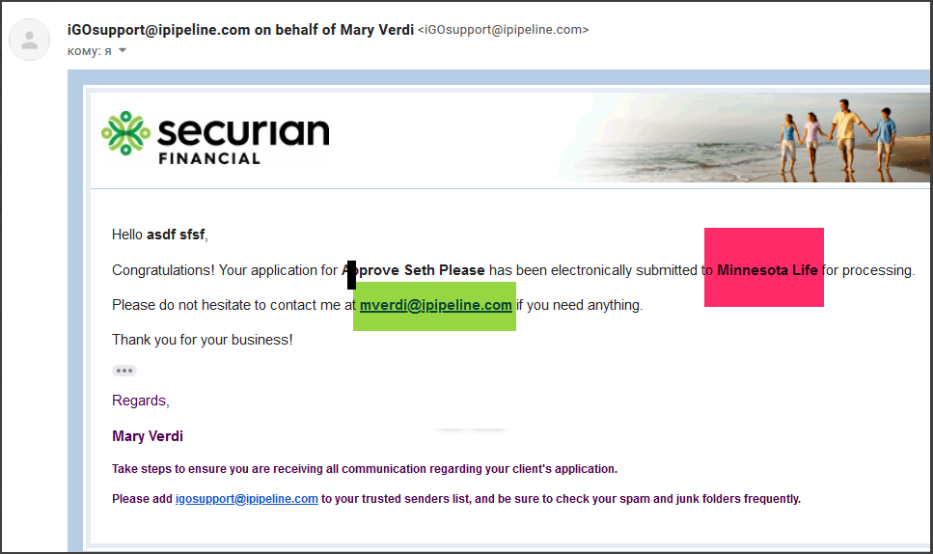
MINNMNTIGO-1507 | Securian Financial Application Notification - DO NOT REPLY | Subject
 | iGOsupport@ipipeline.com on behalf of (Case Manager Name) <iGOsupport@ipipeline.com> | From
 | <Client> logo | Heading
 | Hello Agent Name,
MINNMNTIGO-1507 | Congratulations! Your application for (Proposed Insured) has been submitted to Securian Financial. If you have any questions please feel free to contact me at: |  |  |  |  | contact information is autopopulated based on case manager email.
 | Regards,
MINNMNTIGO-1507 | (Case Manager)
 | Take steps to ensure you are receiving all communication regarding your client's application |  |  |  |  | iGO-specific language
 | Please add igosupport@ipipeline.com to your trusted senders list, and be sure to check your spam and junk folders frequently.
 | 11. Notify Producer case about to Expire
 | <Client> logo
 | Hello (Agent Name),

MINNMNTIGO-1507 | We want to let you know that eSignature Test (Proposed Insured, Owner, Principal Field Agent name) has not yet completed the e-Signature process.
MINNMNTIGO-1507 | The link contained in the eSignature email you sent them is time sensitive and is set to expire shortly
MINNMNTIGO-1507 | We recommend that you contact eSignature Test and remind him or her that their eSignature is needed.
 | Regards,
MINNMNTIGO-1507 | Securian Financial
MINNMNTIGO-1507 | Thank you for entrusting Securian Financial with your client's life insurance needs.
 | Take steps to ensure you are receiving all communication regarding your client's application |  |  |  |  | iGO-specific language
 | Please add igosupport@ipipeline.com to your trusted senders list, and be sure to check your spam and junk folders frequently.

MINNMNTIGO-2150 | 12. Notify Producer login attempt expired URL
 | <Client> logo
 | Hello (Agent Name),
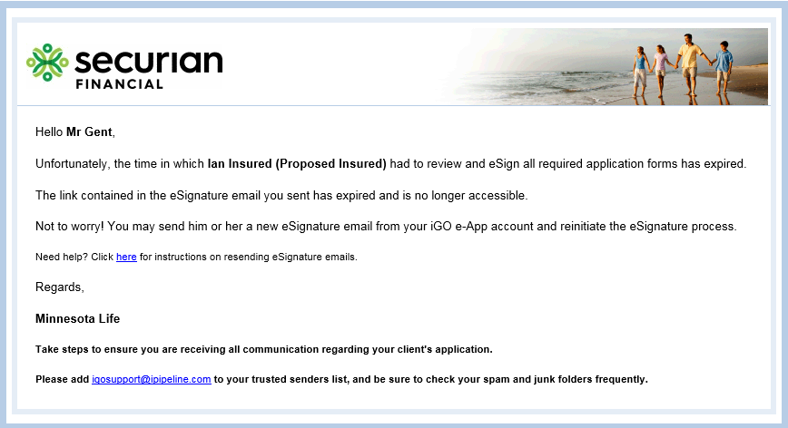
MINNMNTIGO-1507 | Unfortunately, (Proposed insured, owner, principal field agent name) has not reviewed nor eSigned their life insurance application. The link has now expired. If (Proposed insured, owner, principal field agent name) wishes to continue, please send a new eSignature email to reinitiate the eSignature process. |  |  |  |  | Do NOT Display if GAID = APPS/7472 ("isDropTicket" = X)
MINNMNTIGO-1507 MINNMNTIGO-2150 | The link contained in the eSignature email you sent has expired and is no longer accessible. |  |  |  |  | Do NOT Display if GAID = APPS/7472 ("isDropTicket" = X)
MINNMNTIGO-1507 MINNMNTIGO-2150 | The link contained in their eSignature email has expired and is no longer accessible. |  |  |  |  | Display if GAID = APPS/7472 ("isDropTicket" = X)
MINNMNTIGO-2150 | Not to worry! You may send him or her a new eSignature email from your iGO e-App account and reinitiate the eSignature process. |  |  |  |  | Do NOT Display if GAID = APPS/7472 ("isDropTicket" = X)
MINNMNTIGO-2150 | Please contact igosupport@ipipeline.com in regards to your client's application. |  |  |  |  | Display if GAID = APPS/7472 ("isDropTicket" = X)
MINNMNTIGO-1507 | If you have any questions please click here. |  |  |  |  | User is directed to URL when they click here: http://ipipelinetrain.wpengine.com/?page_id=104
 | Regards,
MINNMNTIGO-1507 | Securian Financial
MINNMNTIGO-1507 | Thank you for entrusting Securian Financial with your client's life insurance needs.
 | Take steps to ensure you are receiving all communication regarding your client's application |  |  |  |  | iGO-specific language
 | Please add igosupport@ipipeline.com to your trusted senders list, and be sure to check your spam and junk folders frequently.

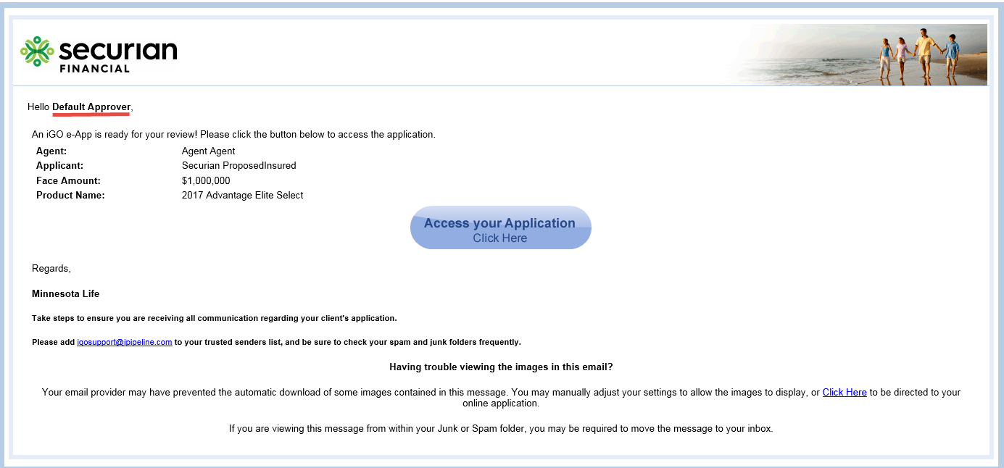
 | Case Manager Notification when Application has been submitted for review by Producer
 | <Client> logo
 | Hello (Case Manager),
 | An iGO e-App is ready for your review! Please click the button below to access the application
 | Agent: |  |  |  |  | Autofill based on application details
 | Applicant:
 | Face Amount:
 | Product Name:
 | Access your Application Click Here | Button |  |  |  | When selected, directs user to iGO login screen (see E-Signature Screens tab).
 | Regards,
MINNMNTIGO-1507 | Securian Financial
MINNMNTIGO-1507 | Thank you for entrusting Securian Financial with your client's life insurance needs.
 | Take steps to ensure you are receiving all communication regarding your client's application
 | Please add igosupport@ipipeline.com to your trusted senders list, and be sure to check your spam and junk folders frequently.
 | Having trouble viewing the images in this email?
 | Your email provider may have prevented the automatic download of some images contained in this message. You may manually adjust your settings to allow the images to display, or Click Here to be directed to your online application. |  |  |  |  | When Click Here is selected, directs user to iGO login screen (see E-Signature Screens tab).
 | If you are viewing this message from within your Junk or Spam folder, you may be required to move the message to your inbox.

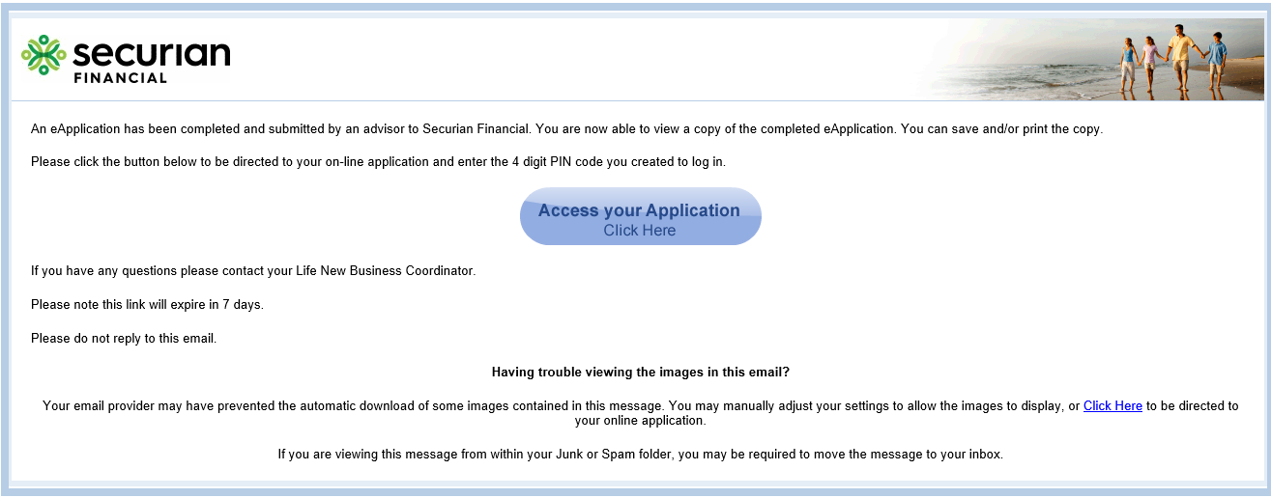
MINNMNTIGO-3896 | Role 71 Case Manager Notification when Application has been completed submitted to Carrier
MINNMNTIGO-3896 | <Client> logo
MINNMNTIGO-3896 | An eApplication has been completed and submitted by an advisor to Securian Financial. You are now able to view a copy of the completed eApplication. You can save and/or print the copy.
MINNMNTIGO-3896 | Please click the button below to be directed to your on-line application and enter the 4 digit PIN code you created to log in.
MINNMNTIGO-3896 | Access your Application Click Here | Button |  |  |  | When selected, directs user to iGO login screen (see Clickwrap Screens tab). Successful login brings you to "View Completed Application" screen (see Clickwrap Screens tab).
MINNMNTIGO-3896 | If you have any questions please contact your Life New Business Coordinator.
MINNMNTIGO-3896 | Please note this link will expire in 7 days.
MINNMNTIGO-3896 | Please do not reply to this email.
MINNMNTIGO-3896 | Having trouble viewing the images in this email?
MINNMNTIGO-3896 | Your email provider may have prevented the automatic download of some images contained in this message. You may manually adjust your settings to allow the images to display, or Click Here to be directed to your online application. |  |  |  |  | When Click Here is selected, directs user to iGO login screen (see Clickwrap Screens tab). Successful login brings you to "View Completed Application" screen (see Clickwrap Screens tab).
MINNMNTIGO-3896 | If you are viewing this message from within your Junk or Spam folder, you may be required to move the message to your inbox.

Clickwrap Screens
JIRA | Field |  | (Min) Max Length | Required | Values | State Specific | Rules | SCREEN/FORMS Triggered
 | Login Screen | Screen |  |  |  |  | Display for all Party Roles
 | Welcome! | Label
 | A Minnesota Life/Securian Life insurance application is available for review and, if required, signature. To ensure the applicant information remains secure and confidential, please enter the information required below to obtain the application: | Label
 | Last 4 digits of SSN/TNN or PIN | Label |  |  |  |  | Display if Party role = PI, Owner, Payor
 |  | Numeric | 4 |  |  |  | Display if Party role = PI, Owner, Payor
 | Case Manager PIN | Label |  |  |  |  | Display if Party role = Case Manager
 |  | Numeric | 4 |  |  |  | Display if Party role = Case Manager
 | Enter 4 digit PIN | Label |  |  |  |  | Display if Party role = Agent
 |  | Numeric | 4 |  |  |  | Display if Party role = Agent
 | Sign In | Button
 | Welcome | Screen |  |  |  |  | Display if Party role = PI, Owner, Payor, Field Principal Agent, Agent
 | Welcome | Header
MINNMNTIGO-4308 | Welcome, (Party Name)! |  |  |  |  |  | Display if signer <> Field Principal Agent Name of the Signer. This field is dynamic
MINNMNTIGO-4308 | Welcome, |  |  |  |  |  | Display if signer = Field Principal Agent
MINNMNTIGO-4308 | Field Principal Agent | Freeform-Textbox |  | Y |  |  | Display if signer = Field Principal Agent Autofill with Field Principal Agent name Map to Coversheet
 | To begin the signature process, please read the Terms and Conditions, eSignature and eDelivery Consent and indicate below whether you agree to their terms. You should print and retain a copy of these documents for future reference.
 | TERMS AND CONDITIONS | Frame
 | Terms and Conditions, Electronic Signature and Electronic Delivery Consent THE FOLLOWING TERMS AND CONDITIONS GOVERN YOUR ON-LINE APPLICATION FOR LIFE INSURANCE WITH MINNESOTA LIFE INSURANCE COMPANY OR SECURIAN LIFE INSURANCE COMPANY, A NEW YORK AUTHORIZED INSURER. |  |  |  |  |  | Display within 'Terms and conditions' Frame
 | TERMS AND CONDITIONS
 | Your consent is required. You must consent to electronically receiving and submitting a Life Insurance Application Form in order to continue your on-line application. If, after you read the Terms and Conditions below, you wish to consent to electronic signatures and electronic delivery and execution of the Minnesota Life or Securian Life Insurance Company Application, please fill in the requested information and check “I Agree”, where indicated.
 | CONSENT TO ELECTRONIC SIGNATURE (eSignature Consent)
 | By checking “I agree to the Terms of Use and eSignature Consent”, you agree to be legally bound as if you had signed the application and accompanying documents with a hand written signature and you acknowledge that you have reviewed and agree to these terms and conditions and agree to complete this application electronically. You may print out a copy of this Consent to retain for your record. If you have any questions or would prefer a hard copy of this Consent or your electronic application, please contact your insurance sales representative.
 | I acknowledge I may withdraw my consent to the future use of my electronic signature by writing to Minnesota Life/Securian Life at 400 Robert Street North, Saint Paul, MN 55101 or calling Minnesota Life/Securian Life at 1-800-328-6124 (option 1) from 8 a.m. CST to 5 p.m. CST.] I acknowledge that any such withdrawal will not invalidate any transaction entered into in reliance on my electronic signature prior to Minnesota Life’s/Securian Life’s receipt of my withdrawal.
 | CONSENT TO ELECTRONIC DELIVERY
 | By checking “I agree and consent to eDelivery”, you confirm the following statements:
 | I agree and consent to the electronic delivery of my policy documents and all notices, disclosures, communications, or other documents regarding my application, my policy, services provided by Minnesota Life Insurance Company/Securian Life Insurance Company, or any claim under my policy (collectively, "Disclosures").
 | I understand:
 | To access and retain Disclosures delivered electronically, I must: (1) have access to the internet, (2) maintain the security of my Internet access and e-mail address (3) be able to send and receive e-mail and (4) be able print or download the Disclosures.
 | Electronic delivery includes displaying or delivering the Disclosures electronically and requesting that I print or download the Disclosure and retain it for my records. I agree to print or download all Disclosures when advised to do so and keep them for my records. If I have trouble printing or saving the Disclosure, I may call Minnesota Life Insurance Company/Securian Life Insurance Company at 1-800-328-6124 (option 1).
 | I may withdraw my consent to electronic delivery of Disclosures, update my contact information, or request paper copies without charge of any and all Disclosures by calling Minnesota Life Insurance Company/Securian Life Insurance Company at 1-800-328-6124 (option 1) from 8:00 a.m. CST to 5:00 p.m. CST., or sending notice to Minnesota Life Insurance Company/Securian Life Insurance Company at 400 Robert Street North, Saint Paul, MN 55101.
 | My consent to electronic delivery does not require Minnesota Life Insurance Company/Securian Life Insurance Company to deliver all Disclosures electronically and that Minnesota Life Insurance Company/Securian Life Insurance Company may choose to provide Disclosures by other means.
 | Some Disclosures may be required by law to be delivered in paper regardless of my consent to electronic delivery.
 | Print | Hyperlink |  |  |  |  | Allows user to print the Terms and Conditions.when selected the system will display 'Terms and Conditions' text in a pop up browser
 | Please review your application and all other forms in their entirety for accuracy and to make sure you completely understand and agree with what they say.
 | If you need to change or update any information or if you have questions, please contact your representative after reviewing your application and reading each of the pages that are to be e-Signed, please check the box indicating you have read it and then select either ''I Agree'' or ''I Decline''.
 | I understand all eApplications must be electronically signed. Wet signatures will not be accepted. | Checkbox |  | Y |  |  | Display if Party role = Agent
 | Review Your Application | Button |  |  |  |  | If Party role = Agent, only enable if "I understand all eApplications must be electronically signed. Wet signatures will not be accepted." is checked.
 | eSignature | Label
MINNMNTIGO-3648 | I have reviewed the application and other forms and read each of the pages that are to be e-signed. I have read and agree to the Terms and Conditions, Electronic Signature and Electronic Delivery Consent provided above. I have indicated below whether I "Agree" or "Decline" the terms of these documents. | checkbox |  | Y |  | Display if state <> NY | <EDeliveryOptInInsured> tc = "1" (True) <EDeliveryOptInOwner> tc = "1" (True)
MINNMNTIGO-3648 | I have reviewed the application and other forms and read each of the pages that are to be e-signed. I have read the Terms of Use and Electronic Signature Consent provided above. I have indicated below whether I "Agree" or "Decline" the terms of these documents. | checkbox |  | Y |  | Display if state = NY
 | I Decline | Button |  |  |  |  | Display for all Party Roles | If selected, user is rerouted to "Decline eSignature" screen.
 | I Agree | Button |  |  |  |  | Display for all Party Roles Enable if "I have reviewed the application and other forms and read each of the pages that are to be e-signed. I have read the Terms of Use and Electronic Signature Consent provided above. I have indicated below whether I "Agree" or "Decline" the terms of these documents." is checked AND (depending if question is triggered) "Would you like to use the contact information below for the eDelivery process?" is answered. | If selected, user is rerouted to "Apply eSignature" screen.
 | Decline eSignature | Screen |  |  |  |  | Screen triggers if "I Decline" is selected on 'Welcome' screen.
 | Decline eSignature | Header
 | If you decide to decline and cancel the eSignature process, the following will happen:
 | All signatures will be removed from the application and the authorization process restarts
 | Your agent will be notified via email that you declined and cancelled the eSignature process
 | You will not be able to access your application on this secure Website until your agent contacts you
 | Do you wish to continue with declining and cancelling the eSignature process?
 | No - Resume eSignature Process | Button |  |  |  |  | If selected, user is rerouted back to 'Welcome' screen
 | Yes - Cancel eSignature Process | Button |  |  |  |  |  | If selected, user is rerouted to 'Decline eSignature Confirmation' screen
 | Decline eSignature Confirmation | Screen |  |  |  |  | Screen triggers if "Yes - Cancel eSignature Process" button is selected on 'Decline eSignature Confirmation' screen
 | Decline eSignature Confirmation | Header
 | Your application's eSignature process has been declined and cancelled.
 | Please contact your agent with any questions or concerns that you have regarding the eSignature process.
MINNMNTIGO-1887 | Please click the "X" in the upper right-hand corner of your browser to close this application. | Message
 | Apply eSignature | Screen |  |  |  |  | Screen triggers if "I Agree" is selected on 'Welcome' screen Display if Party role = PI, Owner, Principal Field Agent, Agent
 | Apply eSignature | Header
 | I, (Party Name), | Checkbox |  | Y |  |  | (Name of the Signer). This field is dynamic Display if Party Role = PI, Owner, Payor, Agent
 | I, (Field Principal Agent), hereby agree that: | Checkbox |  | Y |  |  | (Name of Field Principal Agent). This field is dynamic. Display if Party role = Field Principal Agent
 | have read, or had read to me the statements and answers recorded on my application. They are given to obtain this insurance and are, to the best of my knowledge and belief, true and complete and correctly recorded. I understand that any false statement or misrepresentation on this application may result in loss of coverage under this policy subject to the incontestability provision. I agree that they will become part of this application and any policy issued on it. The insurance applied for will not take effect unless the policy is issued and delivered and the full first premium is paid while the health of the Proposed Insured remains as stated in the application. If such conditions are met, the insurance will take effect as of the earlier of the Policy Date specified in the policy or the date the policy is delivered to me; the only exception to this is provided in the Life Receipt and Temporary Insurance Agreement, issued if the premium is paid in advance. |  |  |  |  |  | Display if Party role = PI, Owner, Payor
 | understand that omissions or misstatements in this application could cause an otherwise valid claim to be denied under any contract issued from this application. |  |  |  |  |  | Display if Party role = PI, Owner, Payor
 | understand any person who, with intent to defraud or knowing that he/she is facilitating a fraud against an insurer, submits an application or files a claim containing false or deceptive statement is guilty of fraud. |  |  |  |  |  | Display if Party role = PI, Owner, Payor
 | I certify that to the best of my knowledge and belief the information provided in the application is complete and accurate and that this transaction is suitable for the client |  |  |  |  |  | Display if Party role = Field Principal Agent
 | I am signing the Replacement Notice. |  |  |  |  |  | Display if Party role = Field Principal Agent
 | I am the field principal who oversees the licensed representative who solicited this application and I herby sign it. |  |  |  |  |  | Display if Party role = Field Principal Agent
 | I certify that to the best of my knowledge and belief the answers on the application and in the statement are true and correct; and |  |  |  |  |  | Display if Party role = Field Principal Agent, Agent
 | I am signing the Replacement Notice, if any; and |  |  |  |  |  | Display if Party role = Field Principal Agent, Agent
 | I am the agent who solicited the application and hereby sign it. |  |  |  |  |  | Display if Party role = Field Principal Agent, Agent
 | Please enter the city and state where you are signing the application. |  |  |  |  |  | Display if Party role = PI, Owner, Payor
 | Last 4 Digits of SSN | Numeric | 4 | Y |  |  | Display if Party role = PI, Owner, Payor
 | Signed at City | Textbox-Freeform | 35 | Y |  |  | Display if Party role = PI, Owner, Payor
MINNMNTIGO-1898 | Signed at State |  |  |  |  |  | Display if Party role = PI, Owner, Payor Autofilled based on Application State
 | Signed at County | Textbox-Freeform |  | Y |  |  | Display if state = FL Hide if PI <> Owner
 | Step 1 of 2 | Header |  |  |  |  | Display if Party role = Agent
MINNMNTIGO-2150 | Apply eSignature and Submit to Agent | Button |  |  |  |  | Do NOT Display if Party role = PI, Owner, Payor AND GAID = APPS/7472 ("isDropTicket" = X) Display if Party role = PI, Owner, Payor, Principal Field Agent Enable when "I, (Party Name)," is checked AND "Last 4 Digits of SSN" is entered AND "Signed at City" is entered. OR Enable when "I, (Field Principal Agent), hereby agree that:" is checked.
MINNMNTIGO-2150 | Apply eSignature and Submit to Securian | Button |  |  |  |  | Display if Party role = PI, Owner, Payor AND GAID = APPS/7472 ("isDropTicket" = X) Applies signature and submits application to carrier.
 | Apply eSignature | Button |  |  |  |  | Display if Party role = Agent Once Agent signature is applied, 121 information is cleared if Underwriting Option was changed from eParamed to Tele-Interview.
 | Decline e-Signature | Button |  |  |  |  | If selected, user is rerouted to "Decline eSignature" screen
 | Print Signed Application | Hyperlink |  |  |  |  | Display if Party role = Agent Clicking on button will display the esigned application in a separate pop up browser.
 | Warning: Your Application needs to be Submitted. | Alert |  |  |  |  | Display if "Apply eSignature" button is selected.
 | Step 2 of 2 | Header |  |  |  |  | Display if Party role = Agent AND "Apply e-Signature" is selected.
 | Submit iGO Application | Button |  |  |  |  | Display if "Apply eSignature" button is selected. Submit/Transmit Application when selected | If selected, reroute user to "Thank You" screen.
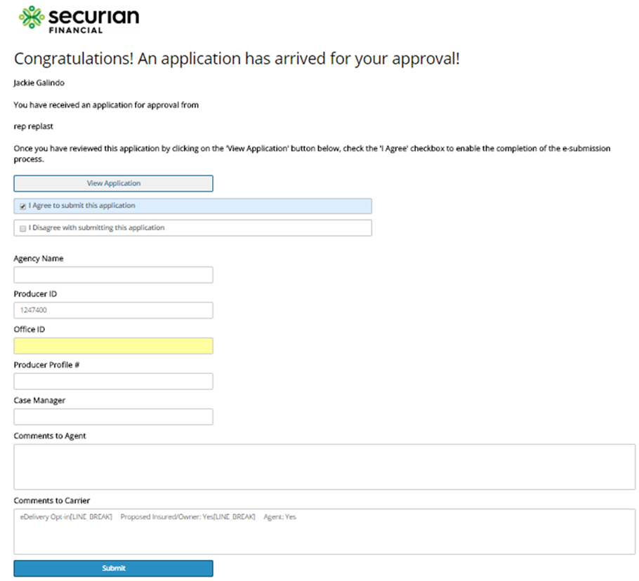
 | Congratulations! An application has arrived for your approval! | Screen |  |  |  |  | Display for Case Manager
 | Congratulations! An application has arrived for your approval! | Header
 | (Case Manager Name)
 | You have received an application for approval from
 | (Agent Name)
 | Once you have reviewed this application by clicking on the 'View Application' button below, check the 'I Agree' checkbox to enable the completion of the e-submission process.
 | View Application | Button
 | I Agree to submit this application | Checkbox |  |  |  |  | Display if 'View Application' button has been selected.
 | I Disagree with submitting this application | Checkbox
 | Agency Name |  |  |  |  |  | Display if 'I Agree' checkbox has been selected.
 | Producer ID |  |  |  |  |  | Display if 'I Agree' checkbox has been selected. Autofilled based on what is entered in iGO eApp.
 | Case Manager |  |  |  |  |  | Display if 'I Agree' checkbox has been selected.
MINNMNTIGO-3132 | Comments to Agent |  |  |  |  |  | Display if 'I Agree' checkbox has been selected. Send comments entered in ACORD 103
MINNMNTIGO-3132 | Comments to Carrier
 | Submit | Button |  |  |  |  | Display if 'I Agree' checkbox has been selected. When selected, submits/transmits application to carrier.
 | Email Message to Agent: |  |  |  |  |  | Display if 'I Agree' checkbox has been selected.
 | Agent Email: (Agent email address)
 | I just electronically forwarded your application to Minnesota Life for processing on your client (Proposed Insured name). I will contact once I have further updates on this case. In the meantime, if you have any questions, feel free to reach me at (Case Manager email address). Thanks again for your application!

MINNMNTIGO-2150 | Thank You | Screen |  |  |  |  | Screen triggers if "Apply eSignature and Submit to Agent" OR "Apply eSignature" Or "Apply eSignature and Submit to Securian" is selected on 'Apply eSignature' screen. Diplay for PI, Owner, Payor, Field Principal Agent, Agent
 | Thank You | Header
 | Your application review and eSignature process are now complete and your eSignature has been applied to the document(s) that you reviewed. An E-Mail has been sent to your Representative advising him/her that you have completed the eSignature process.
MINNMNTIGO-2150 | After closing this screen, you will not be able to access this site again to view your application. Please take a moment to print and/or save a copy of the eSigned application for your records by clicking on the button below. |  |  |  |  |  | Do NOT display if Party role = PI, Owner, Payor AND GAID = APPS/7472 ("isDropTicket" = X)
 | If you have any questions or need another copy of the eSigned application, please contact your Representative.
MINNMNTIGO-2150 | View & Print Copy of Signed Application | Button |  |  |  |  | Do NOT display if Party role = PI, Owner, Payor AND GAID = APPS/7472 ("isDropTicket" = X) Clicking on button will display the esigned application in a separate pop up browser.
MINNMNTIGO-2150 MINNMNTIGO-1887 | Please click the "X" in the upper right-hand corner of your browser to close this application. Close Window | Message |  |  |  |  | Do NOT display if Party role = PI, Owner, Payor AND GAID = APPS/7472 ("isDropTicket" = X)

MINNMNTIGO-3896 | View Completed Application | Screen |  |  |  |  | Screen triggers when successfully logged into Role 71 Case Manager email.
MINNMNTIGO-3896 | <Client> logo
MINNMNTIGO-3896 | View Completed Application | Header
MINNMNTIGO-3896 | Please select the View/Print Completed Application button below to access the signed application and to print or save a copy | Text
MINNMNTIGO-3896 | View/Print Completed Application | Button |  |  |  |  | Clicking on button will display the completed application in a separate pop up browser.
MINNMNTIGO-3896 MINNMNTIGO-1887 | Please click the "X" in the upper right-hand corner of your browser to close this application. Close Window | Message

Coversheet
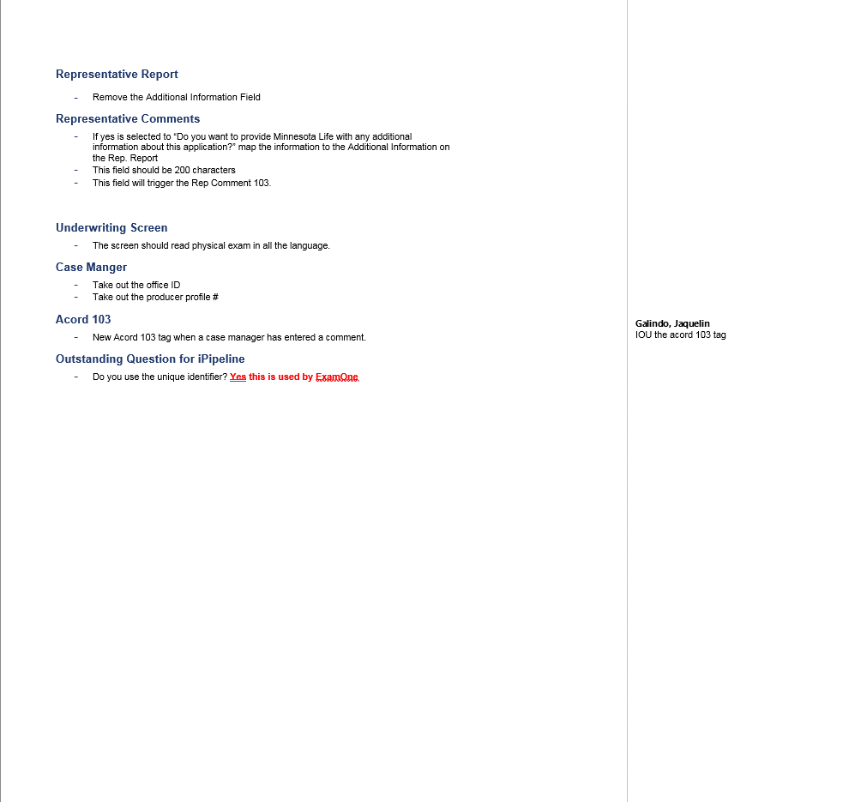
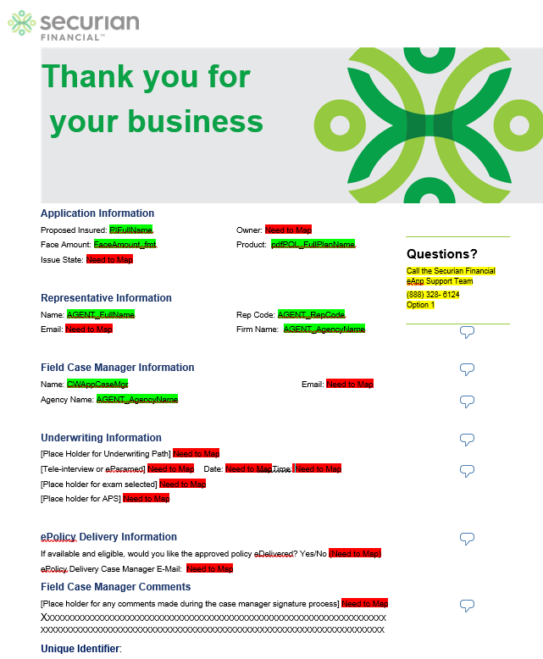
JIRA
MINNMNTIGO-1344 | Updated Coversheet 12/19 below, using same variables, sections are moved around:
MINNMNTIGO-4060
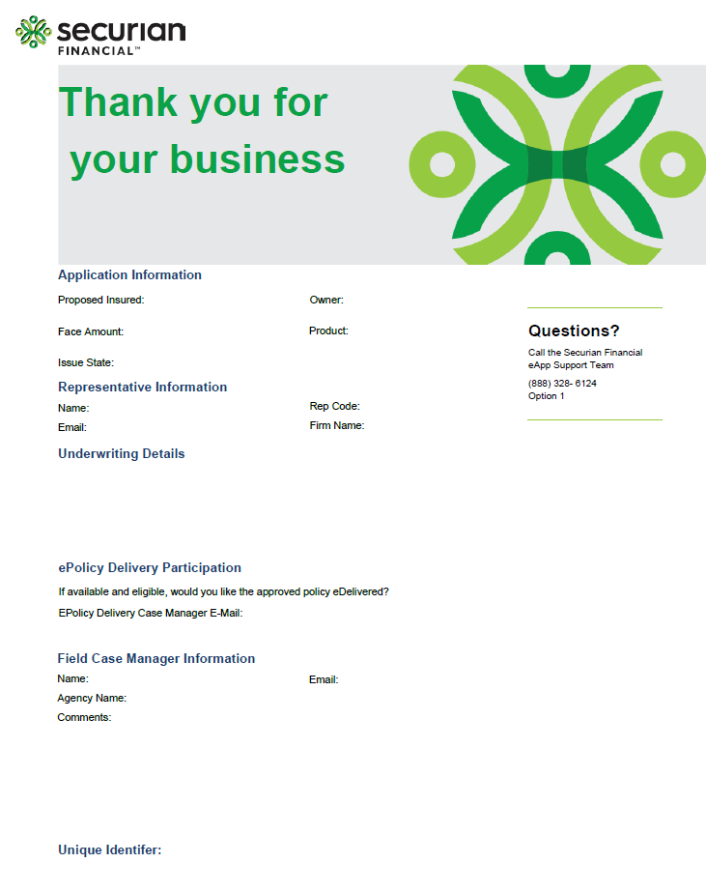

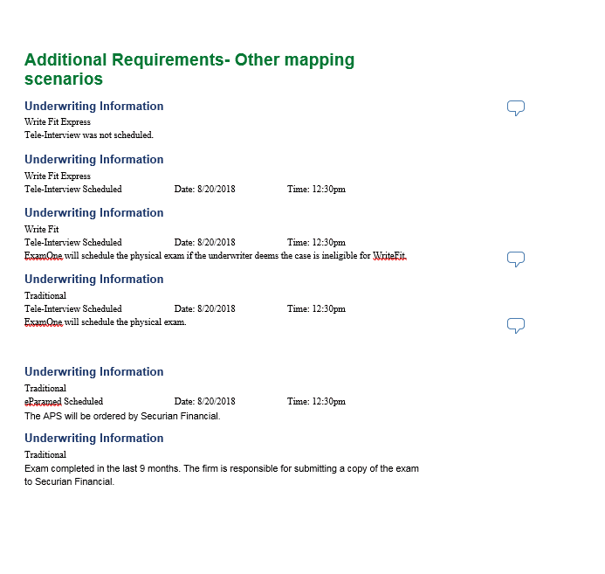

 | MINNMNTIGO-4060: Adding "Contact APPS at 877-881-5121 or APPSLive.com" under the 'Underwriting Details' section of the coversheet whenever APPS is selected as exam vendor.

Case Actions Functionality
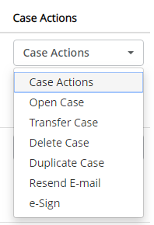

MINNMNTIGO-3611 | Adding Duplicate Case functionality in PROD for 2/1/2019. | Message update: "The case(s) were duplicated successfully. If the Advantage Elite Select Term – Drop Ticket product was duplicated, please make sure to re-select the Advantage Elite Select Term – Drop Ticket product type on the Case Information screen"

